Pivot Table 3
SUM of Sales vs. Order Date - Year

Pivot Table 2
SUM of Sales vs. Region

Pivot Table 1
SUM of Sales vs. Category

Dashboard
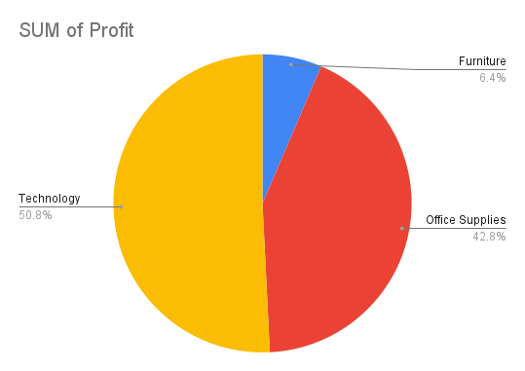
Superstore Sales Dashboard
SUM of Sales vs. Category
SUM of Sales vs. Region

SUM of Sales vs. Order Date - Year

